Sheet1
 |  | GPIO | Input | Output | Ada assignment | Notes |  | GPIO | Input | Output | Ada assignment | Notes
 | 1 | 3.3V |  |  | X |  | 1 | GND |  |  | GND
 | 2 | EN |  |  | X |  | 2 | GPIO 23 | OK | OK | MPU_6050 Interrupt
 | 3 | GPIO 36 | OK | X | Battery Voltage | input only | 3 | GPIO 22 | I2C SCL |  | MPU_6050 I2C
 | 4 | GPIO 39 | OK | X | X | input only | 4 | GPIO 01 | TX0 pin | OK | X | debug output at boot
 | 5 | GPIO 34 | OK | X | X | input only | 5 | GPIO 03 | OK | RX0 pin | X | HIGH at boot
 | 6 | GPIO 35 | OK | X | X | input only | 6 | GPIO 21 | I2C SDA |  | MPU_6050 I2C
 | 7 | GPIO 32 | OK | OK | TMC2209 right dir pin (UART 0) |  | 7 | GND |  |  | GND
 | 8 | GPIO 33 | OK | OK | TMC2209 right step pin (UART 0) |  | 8 | GPIO 19 | OK | OK | TMC2209 left uStep Pin1
DAC_RIGHT | 9 | GPIO 25 | OK | OK | TMC2209 left dir pin (UART 1) |  | 9 | GPIO 18 | OK | OK | TMC2209 left uStep Pin2
DAC_LEFT | 10 | GPIO 26 | OK | OK | TMC2209 left step pin (UART 1) |  | 10 | GPIO 05 | OK | OK | TMC2209 right uStep Pin1 | outputs PWM signal at boot, strapping pin
 | 11 | GPIO 27 | OK | OK | TMC2209 enable pin (low == enabled,high == disabled) |  | 11 | GPIO 17 | TX2 | OK | TMC2209 UART TX
 | 12 | GPIO 14 | JTAG | 2/TMS | JTAG 2 (TMS) | outputs PWM signal at boot | 12 | GPIO 16 | OK | RX2 | TMC2209 UART RX
 | 13 | GPIO 12 | JTAG | 8/TDI | JTAG 8 (TDI) | boot fails if pulled high, strapping pin | 13 | GPIO 04 | OK | OK | TMC2209 right uStep Pin2
 | 14 | GND |  |  | JTAG GND |  | 14 | GPIO 00 | pulled up | OK | X | outputs PWM signal at boot, must be LOW to enter flashing mode
 | 15 | GPIO 13 | JTAG | 4/TCK | JTAG 4 (TCK) |  | 15 | GPIO 02 | OK | OK | LED I2S output | connected to on-board LED, must be left floating or LOW to enter flashing mode
 | 16 | GPIO 09 | X | X | X | connected to the integrated SPI flash | 16 | GPIO 15 | JTAG | 6/TDO | JTAG 6 (TDO) | outputs PWM signal at boot, strapping pin
 | 17 | GPIO 10 | X | X | X | connected to the integrated SPI flash | 17 | GPIO 08 | X | X | X | connected to the integrated SPI flash
 | 18 | GPIO 11 | X | X | X | connected to the integrated SPI flash | 18 | GPIO 07 | X | X | X | connected to the integrated SPI flash
 | 19 | Vin 5V |  |  | JTAG VDD |  | 19 | GPIO 06 | X | X | X | connected to the integrated SPI flash

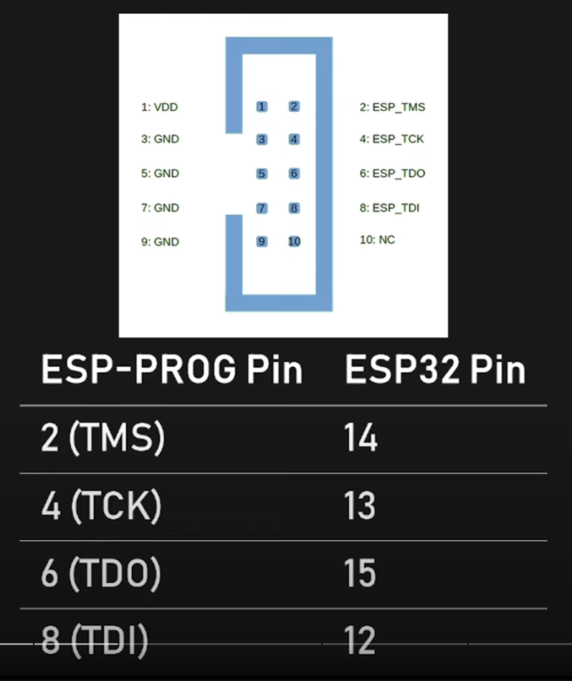
 |  |  | Wiring Connections

 |  |  | ESP-Prog JTAG 10-Pin Connector | JTAG Signal | ESP32 Pin | Description
 |  |  | 1 | VDD | VDD | Positive Supply Voltage — Power supply for JTAG interface drivers
 |  |  | 3 | GND | GND | Digital ground
 |  |  | 2 | TMS | GPIO14 | Test Mode State
 |  |  | 4 | TCK | GPIO13 | JTAG Return Test Clock
 |  |  | 6 | TDO | GPIO15 | Test Data Out
 |  |  | 8 | TDI | GPIO12 | Test Data In

 |  | Wiring Connections

 |  | ESP-Prog JTAG 10-Pin Connector | JTAG Signal | ESP32 Pin | ESP32-S2 and ESP32-S3 Pin | ESP32-C2, ESP32-C3, ESP32-C6, and ESP32-P4 Pin | ESP32-H2 Pin | Description
 |  | 1 | VDD | VDD | VDD | VDD | VDD | Positive Supply Voltage — Power supply for JTAG interface drivers |  | 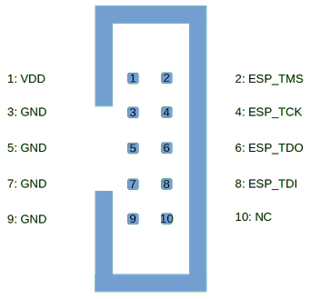
 |  | 3 | GND | GND | GND | GND | GND | Digital ground
 |  | 2 | TMS | GPIO14 | GPIO42 | GPIO4 | GPIO2 | Test Mode State
 |  | 4 | TCK | GPIO13 | GPIO39 | GPIO6 | GPIO4 | JTAG Return Test Clock
 |  | 6 | TDO | GPIO15 | GPIO40 | GPIO7 | GPIO3 | Test Data Out
 |  | 8 | TDI | GPIO12 | GPIO41 | GPIO5 | GPIO5 | Test Data In

